Sheet1
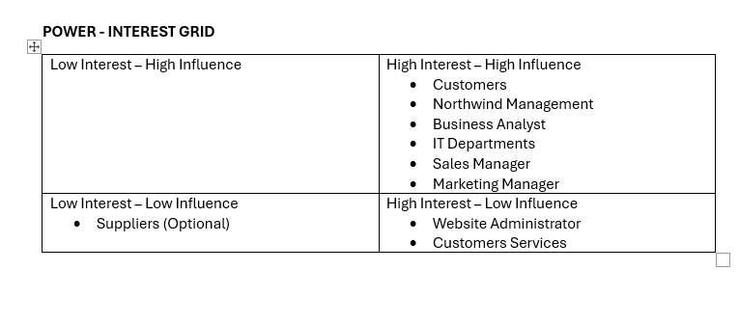
Deliverable 4
Stakeholder Analysis and Mapping

Stakeholder | Project Responsibility | Interest/Concerns | Influence
orthwind Management | Overall strategic Direction, decision-making, project budget, approval of project plan. | Normally their interest in a website project would be low as they are responsible for the overall strategic direction of the company. However they are concerned about the company's financial performance and reputation, so this project is on their radar – High Interest. | High influence as they have the authority to allocate resources, approve budgets, and make strategic decisions regarding the project.
Marketing Manager | Oversees marketing efforts, including website design and promotional campaigns. | High interest as they are responsible for marketing efforts, including website redesign and promotional campaigns. They are concerned about improving customer engagement, driving traffic to the website, and increasing sales. | High influence over website design and project success as they provide valuable insights into customer preferences and market trends. The marketing manager might be reluctant to re-design the checkout process as he will be losing valuable customer data.
Sales Manager | Oversees website sales | High interest as they are concerned about the impact of the project on sales performance and revenue generation. | High influence as they can provide input on customer preferences and drive website improvements.
Customer Service Team | Deals directly with customer inquiries and complaints related to the website. Provides sales support. | High interest as they deal directly with customer inquiries, complaints, and feedback related to the website. They are concerned about providing excellent customer service and addressing customer issues promptly. | Although they have firsthand knowledge of customer pain points and usability issues with the website, their influence over website design may not be very high.
IT Department | Involved in website development, maintenance, and technical support. | High interest as they are responsible for website development, maintenance, and technical support. They are concerned about the website's performance, security, and functionality. | High influence as they are responsible for implementing website changes and resolving technical issues.
Website Administrator | Responsible for managing and updating the website content (e.g. product listing, pricing) and maintaining customer accounts. | High interest in website design as they are directly responsible for updating the website. Provides insights into website performance. | Low influence as they only have control over website content.
Suppliers | Responsible for supplying products. May be impacted indirectly as depending how products are described and grouped on the website, it may impact the sales of these products. However, in this case the impact is negligible and you could omit this stakeholder from further analysis | May have some interest in website design, but it will be low. | Low Influence over website design.
Business Analyst – Project Manager | Responsible for leading and managing the website improvement project, running workshops, and ensuring project success within budget and timeline constraints. | Has a high interest in the project's success because they are responsible for gathering requirements, conducting stakeholder analysis, analyzing business needs, and ensuring that the project meets its objectives. | High Influence - Plays a central role in driving project success through effective analysis, planning, and stakeholder management.
Customers | Directly impacted by the usability and functionality of the online store. | High interest as they are the end-users of the website and directly impacted by its usability and functionality. They are concerned about finding products easily, navigating the website smoothly, and completing transactions hassle-free. Also concerned about payment security and personal data privacy. | Low influence individually, but collectively high as their feedback and behavior shape the design and ultimately success of the project.

